D1
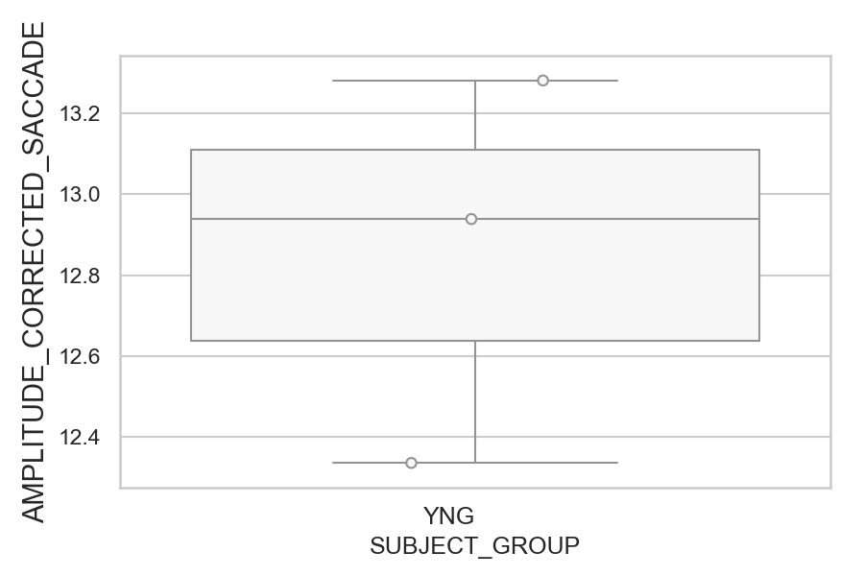
Amplitude of the corrected saccade (degrees) (mean of all trials per subject)
SUBJECT_NAME | SUBJECT_GROUP | SUBJECT_AGE | VALUE
AW001CG | YNG | 19 | 13.281370634
MP1 | YNG |  | 12.939024079
AW002AF | YNG | 19 | 12.336348114

D1 (types)
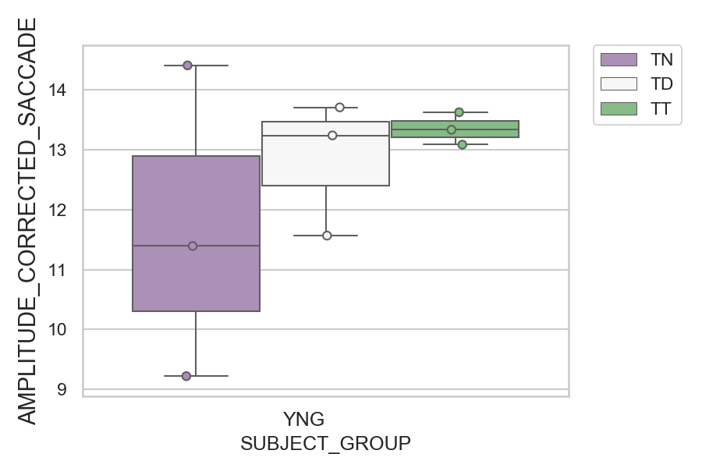
Amplitude of the corrected saccade (degrees) (mean of all trials per subject)
SUBJECT_NAME | SUBJECT_GROUP | CONDITION_APPEARANCE | SUBJECT_AGE | VALUE
MP1 | YNG | TN |  | 14.406579996
AW002AF | YNG | TD | 19 | 13.706110012
AW001CG | YNG | TT | 19 | 13.624777998
MP1 | YNG | TT |  | 13.332767479
AW001CG | YNG | TD | 19 | 13.238277873
AW002AF | YNG | TT | 19 | 13.084054737
MP1 | YNG | TD |  | 11.566910069
AW001CG | YNG | TN | 19 | 11.393297499
AW002AF | YNG | TN | 19 | 9.2219374288

D2
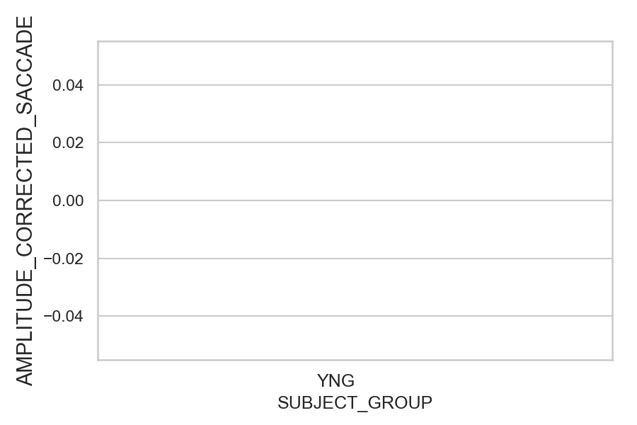
Amplitude of the corrected saccade (degrees) (mean of all trials per subject)
SUBJECT_NAME | SUBJECT_GROUP | SUBJECT_AGE | VALUE
AW001CG | YNG | 19
AW002AF | YNG | 19
MP1 | YNG

D2 (types)
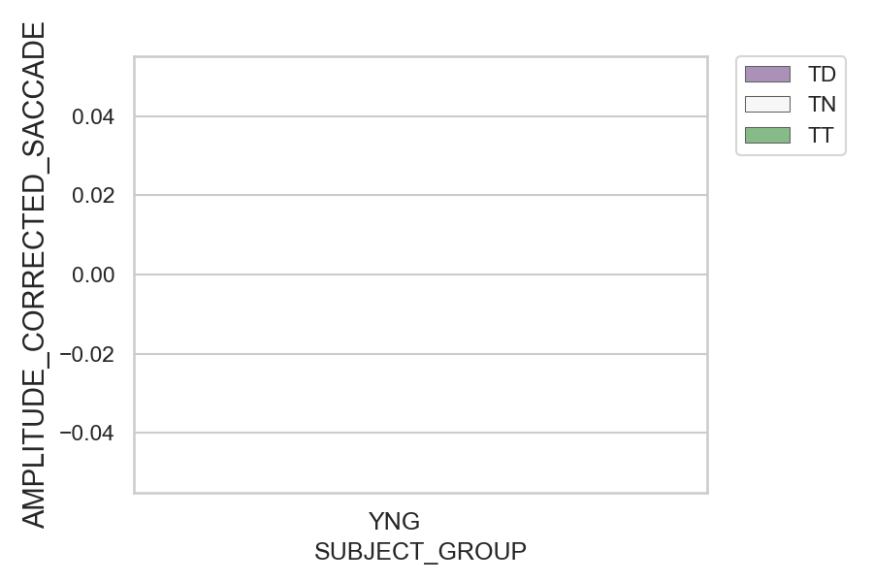
Amplitude of the corrected saccade (degrees) (mean of all trials per subject)
SUBJECT_NAME | SUBJECT_GROUP | CONDITION_APPEARANCE | SUBJECT_AGE | VALUE
AW001CG | YNG | TD | 19
AW001CG | YNG | TN | 19
AW001CG | YNG | TT | 19
AW002AF | YNG | TD | 19
AW002AF | YNG | TN | 19
AW002AF | YNG | TT | 19
MP1 | YNG | TD
MP1 | YNG | TN
MP1 | YNG | TT

